Notes
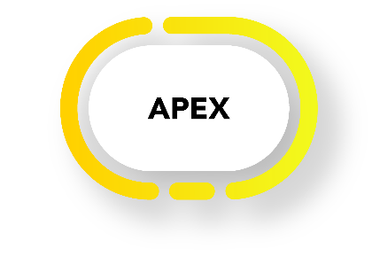

Author: | Karsten de Braaf

Date: | 2019-04-17

Purpose: | Data model of Experience Analysis platform

 | Version | Changes | Sheets modified | By

 | 2.70 | Trend table no longer compulsory | 20 | KdB
 | 2.71 | Treaty Number Everest as free text | 3, 12 | KdB
 | 2.72 |  |  | FP
 | 2.73 | Update color status of missing updated |  | KdB
 |  | Update color status of missing updated |  | KdB
 | 2.78 |  |  | KdB
 | 2.79 | New field Retro_Risk_Amount_share | 4 | KdB
 | 2.80 | Rework referential sheet | 21 | KdB
 | 2.81 | Result Data Squared variables | 14 | KdB
 | 2.85 |  |  | KdB
 | 2.86 |  |  | FP
 | 2.87 | Add unemployment as main_risk_type | 4 | KdB
 | 2.88 | Rework referential sheet, drafting DI variables | 4, 21 | KdB
 | 2.90 | Referential distribution channel | 4, 21 | KdB
 | 2.91 | Socio-economic class review for Longevity | 4 | KdB
 | 2.92 | Review DI variables | 4 | KdB
 | 2.95 | Review DI variables | 4 | KdB
 | 2.96 | Review DI variables | 4 | KdB
 | 2.97 | Reporting time variables for snapshot data | 4 | KdB
 | 2.100 | Result file adjustments | 14 | KdB
 | 2.101 | Medex review | 4 | KdB
 | 2.103 |  |  | FP
 | 2.105 | Disability permanency and disability degree occup vs funct | 4 | KdB
 | 2.106 | contingent cover variable | 4 | KdB
 | 2.107 | Snapshot variables | 3 | KdB
 | 2.108 | New adjustment table | 21, 22 | KdB

Conventions |  | Input cells

Open | Identify and define variables with multiple granularity options (global / market / study), e.g. occupational class, smoker status, distribution channel. Necessary or possible to handle aggregation in reporting?
 | How to handle premium for subgroups (e.g. for medex: dental premium, vision premium)

Sheets: | Study | Study metadata
 | Input Data | Description of input dataset loaded
 | Product DealTreatyCedent | Data variables at product, treaty and cedent level
 | PolicyPersonBenefitStatusEvent | Data variable at policy, benefit and person level
 | Result Data | Result Data format (Exposure and Event)
 | Run | Linkage of all run settings
 | Run Data | Data used for run (to allow filtering of Input Data)
 | Table Reference | ID of Expected table linked
 | IBNR | IBNR engine run with parameters and result
 | Parameters | All remaining parameters of calculation engine
 | Calculation Engine | Calculation engine used for run
 | Rate Lib - Meta | Table library metadata
 | Rate Lib | Data for one table in table library

